Arkusz1
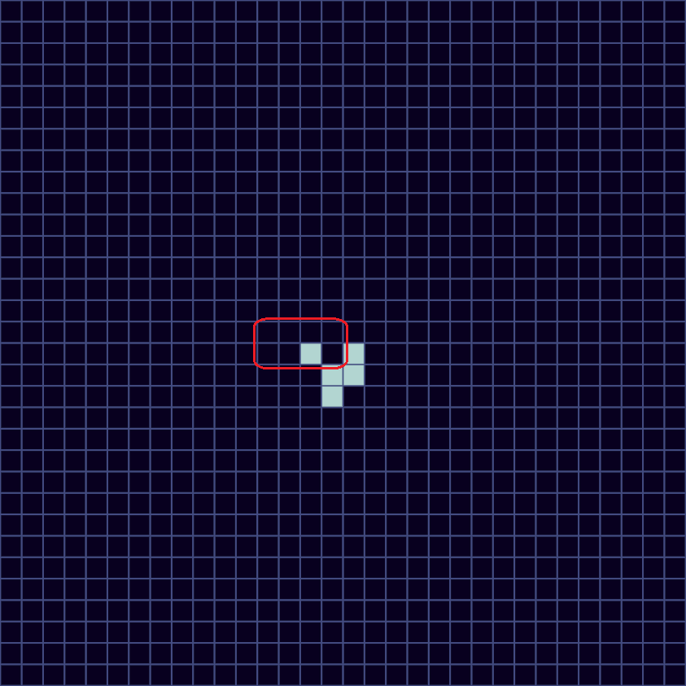
sizeLevel = 1 ✔️ |  |  |  |  |  |  |  |  |  |  |  |  |  |  |  |  | step 2
thread group: (0, 0, 0) ✔️ |  | 17 | 35 | 53 | 71 | 89 | 107 | 125 | 143 | 161 | 179
thread: (3, 7, 0) ✔️ | 15 | 16 | 34 | 52 | 70 | 88 | 106 | 124 | 142 | 160 | 178
index: 80 ✔️ | 14 | 15 | 33 | 51 | 69 | 87 | 105 | 123 | 141 | 159 | 177
Here are some of the visualizations I made when debugging the byte packing methods (GetByte and SetByte in Shared.cginc). It can serve as an example of how the simulation of a single chunk works. It showcases simulating the 2nd steps of the default setup (size level 1, glider in the middle), and provides the chunk's index and the thread responsible for simulating it.
 | 13 | 14 | 32 | 50 | 68 | 86 | 104 | 122 | 140 | 158 | 176
 | 12 | 13 | 31 | 49 | 67 | 85 | 103 | 121 | 139 | 157 | 175
 | 11 | 12 | 30 | 48 | 66 | 84 | 102 | 120 | 138 | 156 | 174
 | 10 | 11 | 29 | 47 | 65 | 83 | 101 | 119 | 137 | 155 | 173
 | 9 | 10 | 28 | 46 | 64 | 82 | 100 | 118 | 136 | 154 | 172
 | 8 | 9 | 27 | 45 | 63 | 81 | 99 | 117 | 135 | 153 | 171 | =
 | 7 | 8 | 26 | 44 | 62 | 80 | 98 | 116 | 134 | 152 | 170
 | 6 | 7 | 25 | 43 | 61 | 79 | 97 | 115 | 133 | 151 | 169
 | 5 | 6 | 24 | 42 | 60 | 78 | 96 | 114 | 132 | 150 | 168
 | 4 | 5 | 23 | 41 | 59 | 77 | 95 | 113 | 131 | 149 | 167
 | 3 | 4 | 22 | 40 | 58 | 76 | 94 | 112 | 130 | 148 | 166
 | 2 | 3 | 21 | 39 | 57 | 75 | 93 | 111 | 129 | 147 | 165
 | 1 | 2 | 20 | 38 | 56 | 74 | 92 | 110 | 128 | 146 | 164
 | 0 | 1 | 19 | 37 | 55 | 73 | 91 | 109 | 127 | 145 | 163
 |  | 0 | 18 | 36 | 54 | 72 | 90 | 108 | 126 | 144 | 162
 |  |  | 0 | 1 | 2 | 3 | 4 | 5 | 6 | 7

 |  |  |  | inputs |  |  |  |  |  |  |  |  |  | outputs

 | dec: 536896 bin: 000010000011000101000000 |  |  |  |  |  |  |  |  |  | dec: 32 bin: 00100000
 | 63 |  | 81 |  |  |  |  | 99 |  |  | 63 |  | 81 |  |  |  |  | 99
 |  |  |  |  |  |  |  |  |  |  |  | ? | ? | ? | ? | ? | ?
 | 62 |  |  |  |  |  |  | 98 | → |  | 62 | ? |  |  |  |  | ? | 98
 |  |  |  |  |  |  |  |  |  |  |  | ? |  |  |  |  | ?
 |  |  |  |  |  |  |  |  |  |  |  | ? | ? | ? | ? | ? | ?
 | 61 |  | 79 |  |  |  |  | 97 |  |  | 61 |  | 79 |  |  |  |  | 97

